EXAMPLE
Server List Example

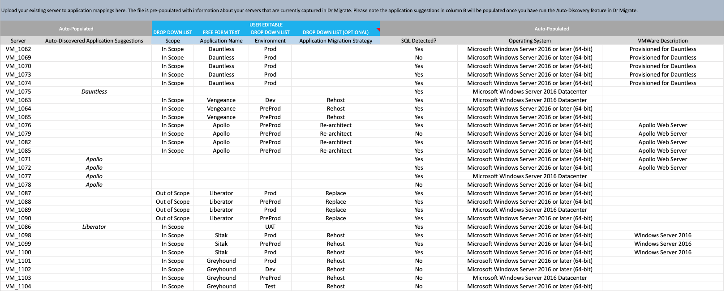

The server to application mappings you provide do not have to be 100% complete for Dr Migrate to provide insights (accuracy is preferred), although the more mappings the better. If you're unsure about any of the information, simply leave it blank.

